IO
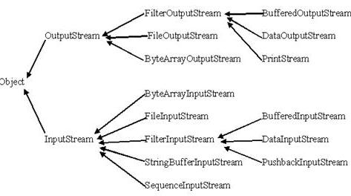
How to read file line by line | IO Tutorial
http://javarevisited.blogspot.ca/2012/07/read-file-line-by-line-java-example-scanner.html | http://www.java2s.com/Tutorials/Java/Java_io/index.htm

Reading and writing text files - Exemple complet - bon pour appliquer 1.7 et - | Basic I/O
http://www.javapractices.com/topic/TopicAction.do?Id=42 | http://docs.oracle.com/javase/tutorial/essential/io/index.html

Reading and writing binary files | Tutoriel - Au coeur du JDK : java.io expliqué simplement
http://www.javapractices.com/topic/TopicAction.do;jsessionid=E625D7375773A5A56348249C9AFB14CF?Id=245 | http://oliviercroisier.developpez.com/tutoriels/java/au-coeur-du-jdk-java-io-explique-simplement/
Copy a file
http://www.javapractices.com/topic/TopicAction.do?Id=246
Tout
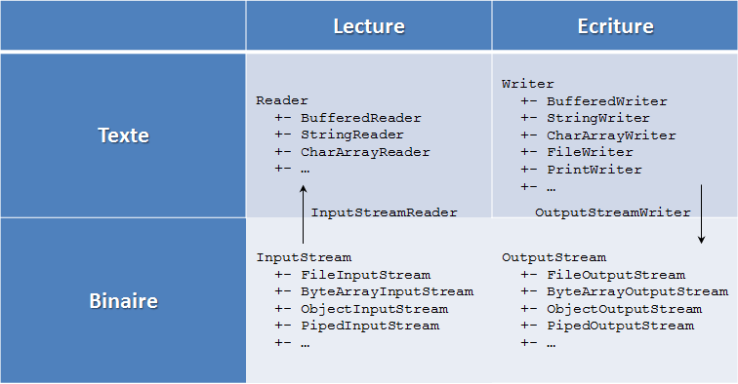
http://www.javapractices.com/home/HomeAction.do

A partir de cet page on peut choisir
http://www.tutorialspoint.com/java_technology_tutorials.htm

Java Load/Read/Write Properties file examples
Different ways of loading a file as an InputStream
http://stackoverflow.com/questions/676250/different-ways-of-loading-a-file-as-an-inputstream

Java : getResourceAsStream in static method
http://www.mkyong.com/java/java-getresourceasstream-in-static-method/

ClassLoader getResourceAsStream returns null
http://stackoverflow.com/questions/19035407/classloader-getresourceasstream-returns-null
Avec singleton et cache
http://howtodoinjava.com/2014/08/08/java-loadreadwrite-properties-file-examples/

Exception
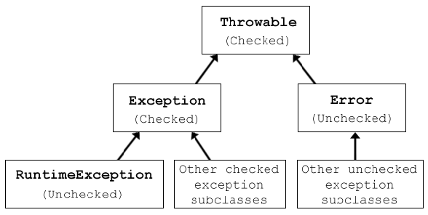
Data exception wrapping Example | Client's reaction when exception happens | Exception type
http://www.javapractices.com/topic/TopicAction.do?Id=77 | Client code cannot do anything | Make it an unchecked exception
 | Client code will take some useful recovery action based on information in exception | Make it a checked exception
Java exception handling best practices
http://howtodoinjava.com/2013/04/04/java-exception-handling-best-practices/

